Problem Statement
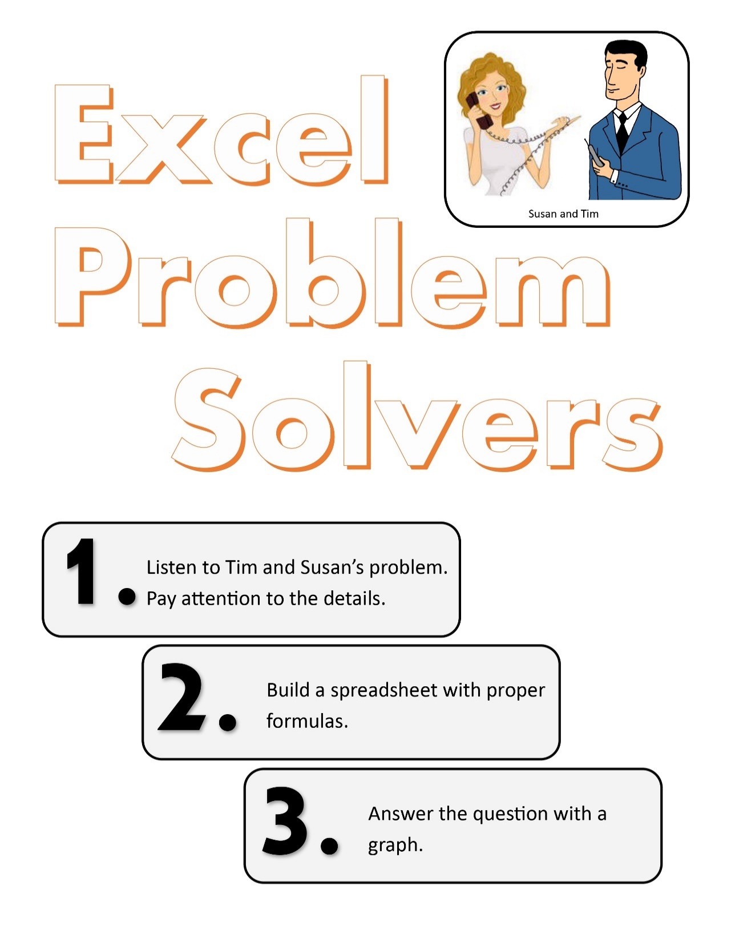
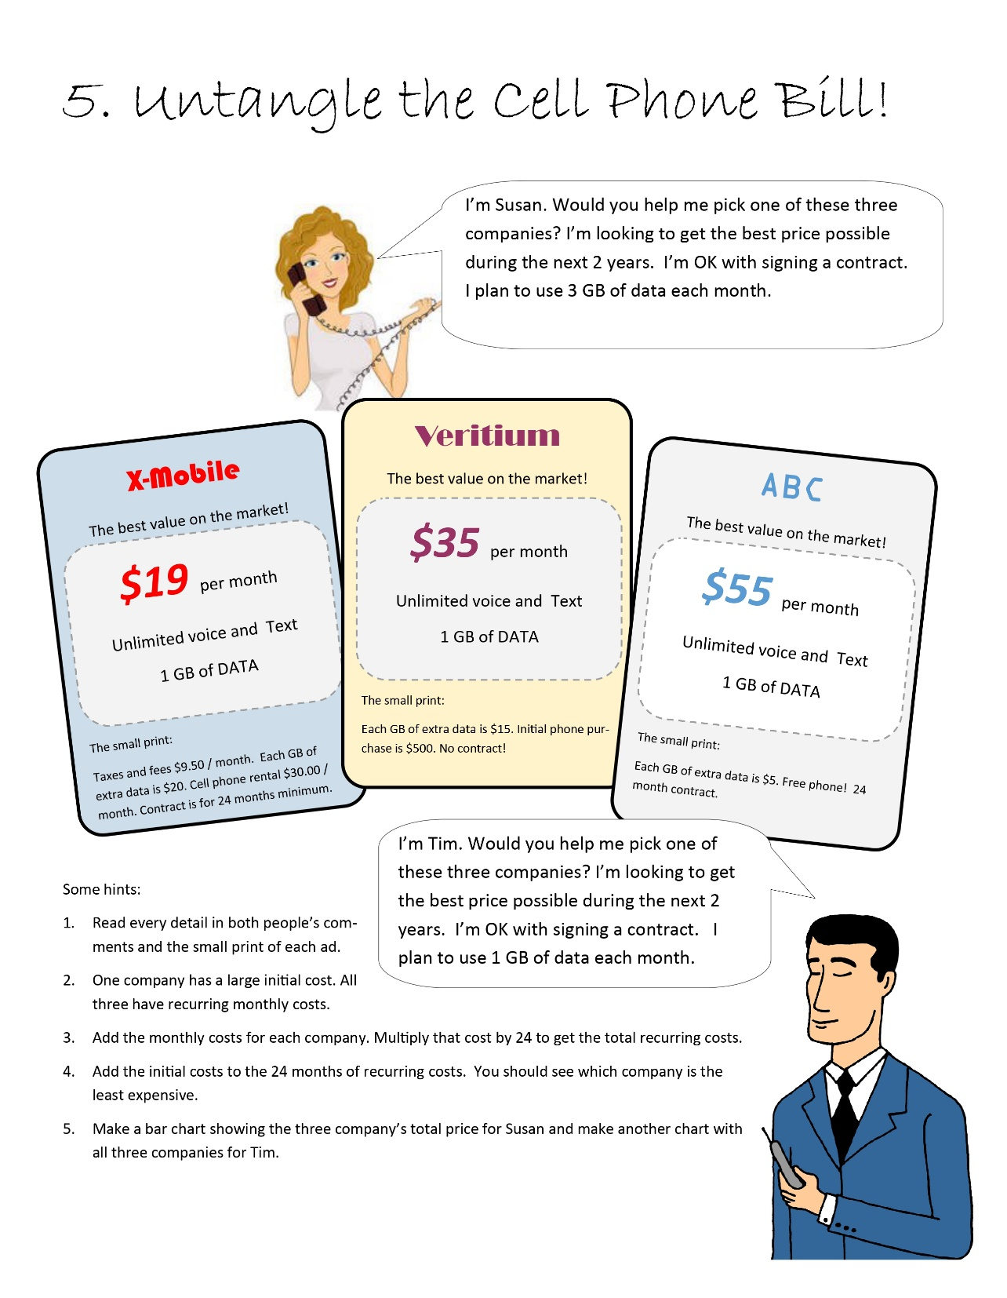

Cell Phone Bill
Susan | X-Mobile | Veritium | ABC | Tim | X-Mobile | Veritium | ABC
Initial Costs |  |  |  | Initial Costs
Phone | $0.00 | $500.00 | $0.00 | Phone | $0.00 | $500.00 | $0.00

Monthly Costs |  |  |  | Monthly Costs
Plan Fee | $19.00 | $35.00 | $55.00 | Plan Fee | $19.00 | $35.00 | $55.00
Phone Rent | $30.00 | $0.00 | $0.00 | Phone Rent | $30.00 | $0.00 | $0.00
Taxes | $9.50 | $0.00 | $0.00 | Taxes | $9.50 | $0.00 | $0.00
2 GB of Extra Data | $40.00 | $30.00 | $10.00 | 0 GB of Extra Data | $0.00 | $0.00 | $0.00

Total Monthly | $98.50 | $65.00 | $65.00 | Total Monthly | $58.50 | $35.00 | $55.00

2 years Total | $2,364.00 | $2,060.00 | $1,560.00 | 2 years Total | $1,404.00 | $1,340.00 | $1,320.00

Susan's 2 years cost
Tim's 2 years cost

